#1
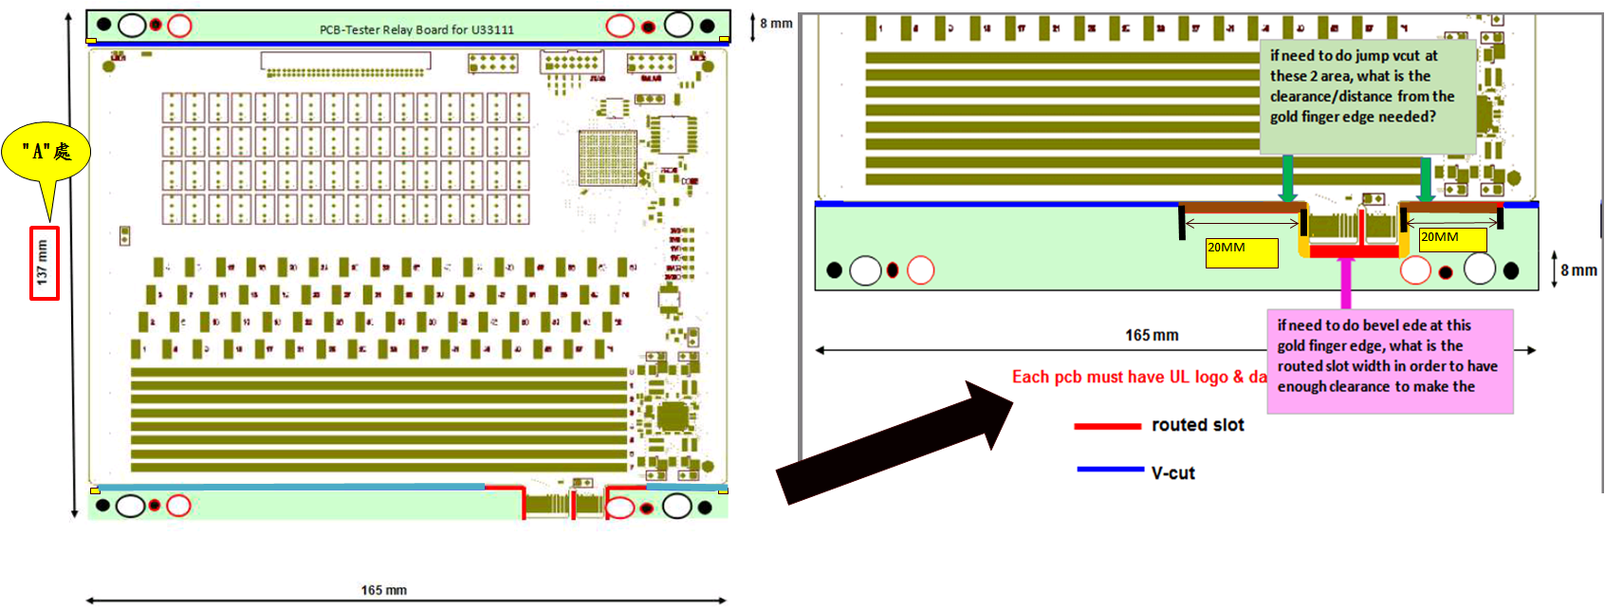

Panel Size:6.496"*5.709" PCS Size:6.496"*5.079" (Ignore "A", they aren't match actual size)
Break-away width:8mm and 17mm
1.V-CUT number total is 3
2.CNC routing width is 3mm
3.V-CUT jump spacing is 20mm
4.We will add "PCB-Tester Relay Board for U33111" in break-away.
5.Adding tooling and fiducial mark as below:

4mm
10.5 mm
0
 | Top Side: | Round fiducial mark with Dummy dots in square shape

 | Bottom Side: | Square fiducial mark with Dummy dots in round shape

"C"處

#2
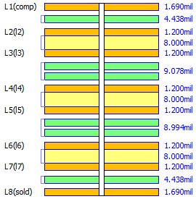

Total thickness: 61.53mil
Outer layer is 0.5oz+plating, finish copper is more than 1oz.

#3
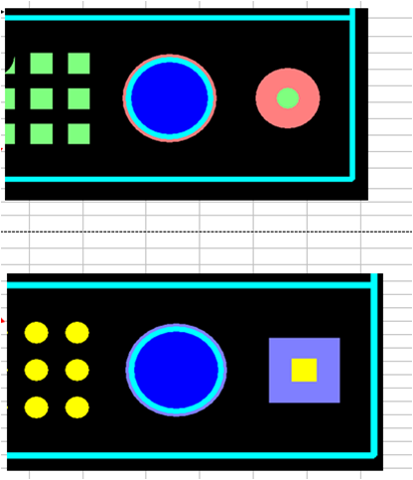

TOP

BOT

#4
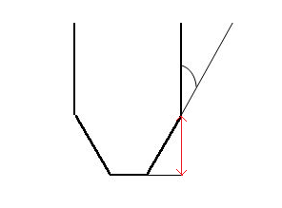

Angle：20°

Depth：55mil

